Notes
NOTES TO FINANCIAL STATEMENTS - TFI (drawn up for quarterly reporting periods) Name of the issuer: DALEKOVOD D.D. Personal identification number (OIB): 47911242222 Reporting period: 01.01.2025-31.12.2025
Dalekovod Joint Stock Company for Engineering, Production and Construction Marijana Čavića 4, 10 000 Zagreb, Croatia, 10001 Zagreb, P.P. 128 URL: www.dalekovod.hr, www.dalekovod.com E-mail: dalekovod@dalekovod.hr Share capital: HRK 412,471,930.00/54,744,432.94 eur. Number of shares: 41.247,193 IBAN: HR8323600001101226102 ZABA Zagreb Company registration number (MBS): 080010093, Commercial Court in Zagreb Registration number (MB): 3275531 Personal identification number (OIB): 47911242222 Business code: 71.12 (Engineering and related technical consulting)
Basic information MANAGEMENT Eugen Paić-Karega – President of the Board Tvrtko Zlopaša – Member of the Board SUPERVISORY BOARD Gordan Kolak (Chairman of the Supervisory Board), Mario Radaković (Deputy Chairman of the Supervisory Board), Ivan Paić (Member of the Supervisory Board), Dalibor Štrlek (Member of the Supervisory Board), Miki Huljić (Member of the Supervisory Board).
Basic Information (continued) Products and services Dalekovod Inc. Over time, he specialized in performing turnkey contracts in the following areas: • electricity facilities, especially transmission lines from 0.4 to 750 kV • transformer stations of all levels and voltage levels up to 500 kV • air, underground and underwater cables up to 110 kV • telecommunication facilities, all types of networks and antennas • production of suspension and connecting equipment for transmission lines and substations from 0.4 to 750 kV • manufacture and installation of all metal parts for roads, especially for road lighting, guardrails and traffic signals, tunnel lighting and traffic management • electrification of railways and trams Changes in the Statments of Financial Position and Profit and Loss The most significant business endeavours related to changes in the Statments of Financial Position and Profit and Loss for the reporting quarterly period of the issuer in relation to the last fiscal year are described in the Management Board's Report published with these financial reports. Access to financial reports The revised annual financial reports for the Company and the Group for 2023 have been published on the Company's website (www.dalekovod.hr) and the Zagreb Stock Exchange (eho.zse.hr).
Accounting policies The accounting policies of the Company and the Group that are applied when preparing the financial reports for 2025 are the same as the accounting policies that were applied in the annual financial report for 2024. Business result An interpretation of the business results of the Company and the Group is given in the Management Board's Report which is attached to these financial reports.
Contingent liabilities and commitments As of December 31, 2025, the Group has concluded contracts whose execution has begun but has not been completed. The revenues to be generated under these contracts are estimated at EUR 414 million. As of December 31, 2025, the Group and the Company are exposed to potential liabilities based on issued bank guarantees (as a means of securing payment, ensuring the quality of performed works) in the total amount of EUR 89,063 thousand and EUR 78,020 thousand (as of December 31, 2024: 92,503 thousand euros Group and 78,408 thousand euros Company). The company is additionally exposed as a co-debtor of subsidiaries in the total amount of EUR 12,636 thousand (as of December 31, 2024: EUR 12,552 thousand). During the period, a payment was made under a guarantee by the investor MEPSO in the amount of EUR 780 thousand related to the construction project of the Skopje – Veles transmission line. The Company considers this payment to be unfounded, and a mediation process is currently underway that is expected to result in a refund of the collected amount. For other exposures, the Group and the Company assess that it is not probable that any payments will be made under the bank guarantees, as both the Group and the Company, as in prior periods, continue to meet their contractual obligations under project agreements with the agreed quality and within the stipulated deadlines. In the course of regular operations, the Group has been involved in several legal proceedings, both as plaintiff and defendant. According to the Management Board and the legal advisor, provisions have been made for those cases that could potentially result in losses. In addition to the cases for which provisions have been recorded, there are ongoing legal disputes which, in the opinion of the Management Board and the legal advisor, are not expected to result in losses.
Income and expenses All significant changes in the income and expenses of the Company and the Group are stated in the Management Board's Report which is attached to these financial reports. Borrowings The amount of loans and other borrowings of the Company and the Group is described in more detail and presented in the Management Board's Report which is attached to these financial reports. Employees As of 31 December 2025, the Company had 806 employees, while the Group had 1,116 employees.
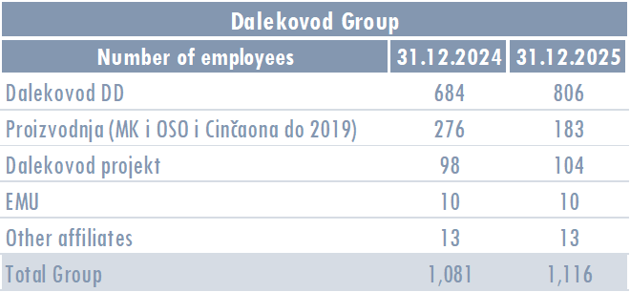
Expense capitalisation The Company and the Group did not capitalize salary costs in 2025. Deferred tax asset and liability The Company and the Group have stated all deferred tax assets in the Financial Position Report and there has been no change in that matter compared to the previous period. Capital As on 31 December 2025, the capital was divided in 41,247,193 shares with a nominal value of EUR 1,00 per share.
As of 31 December 2025, the shareholder structure is as follows:
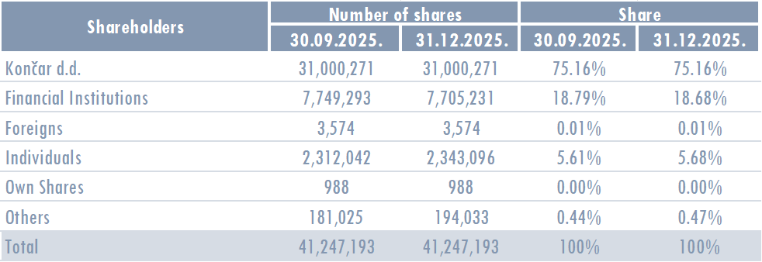
Merger, acquisition, sale, establishment On October 1, 2025, the transaction of sale of 100% of the business share in the company DALEKOVOD MK d.o.o. to the buyer KONČAR MK d.o.o. was completed. The profit realized from the transaction amounts to EUR 621,062. The result at the Group level realized from the transaction amounts to EUR -1,733,002, as a result of the derecognition of the net assets of Dalekovod MK and the income realized from the transaction. There were no mergers, acquisitions or incorporations. Uncertainty In 2025, no items have been identified that would indicate doubtful or contested claims affecting the continuity of business operations of the Company and the Group.
Events after the balance sheet date There were no events in 2025 that require reporting.
Other publications Other publications related to understanding and interpretation of these reports are indicated in the Management Board Report attached hereto.
List of related companies and entrepreneurs The list of related companies and entrepreneurs is given in the Management Board's Report which is attached to these financial reports. The amount of capital for each related company in which Dalekovod d.d. has a stake or company owned by a subsidiary.

